Alex Analysis
Isp | Max Isp | O/F
244.74006116 | 2511.6 | 1.55
247.69622834
250.17329256
252.1814475
253.74108053
254.872579
255.59633028
255.96330275
256.02446483
255.85117227
255.47400612
...
 | Real O/F: 1.6 | Atmospheric Press |  | 14.7 | psia

Temp (K) | Pressure (atm) | Cp (J/kgK) | mw | aeat | son | h | R | SonVel | RPA | Temp (K) | Pres
3255.6 | 28.958 | 5578.3 | 22.52 | 0 | 1167 | -2608 | 656.12581841 | 1555.8994527 | Chamber | 3255.48
3085.4 | 16.725 | 5033.1 | 22.769 | 1 | 1130 | -3246.9 | 595.13156688 | 1443.0716877 | Throat | 3058.2317
1907 | 1.0135 | 2037.6 | 22.769 | 4.5906 | 921.1 | -5762.2 | 365.10554051 | 921.00434774 | Exit | 2183.3382

 |  | True Sonic
...

RPA Analysis
...
Stoich
x | y
2.084 | 210
O/F Study
 | ISP, Sea-level |  | Tc, K |  | Stoich
1.15 | 232.8333 | 2.084 | 2724.1147 | 2.084 | 210
1.2 | 235.9839 | 2.084 | 2828.0773 | 2.084 | 211.125
1.25 | 238.7492 | 2.084 | 2921.3745 | 2.084 | 212.25
1.3 | 241.1745 | 2.084 | 3003.5464 | 2.084 | 213.375
1.35 | 243.2503 | 2.084 | 3074.4223 | 2.084 | 214.5
1.4 | 244.9815 | 2.084 | 3134.2241 | 2.084 | 215.625
1.45 | 246.3936 | 2.084 | 3183.6112 | 2.084 | 216.75
1.5 | 247.4825 | 2.084 | 3223.615 | 2.084 | 217.875
1.55 | 248.2574 | 2.084 | 3255.4823 | 2.084 | 219
1.6 | 248.7187 | 2.084 | 3280.4997 | 2.084 | 220.125
1.65 | 248.8432 | 2.084 | 3299.8623 | 2.084 | 221.25
1.7 | 248.6365 | 2.084 | 3314.6071 | 2.084 | 222.375
1.75 | 248.1554 | 2.084 | 3325.5953 | 2.084 | 223.5
1.8 | 247.4139 | 2.084 | 3333.525 | 2.084 | 224.625
1.85 | 246.3886 | 2.084 | 3338.9545 | 2.084 | 225.75
1.9 | 245.2247 | 2.084 | 3342.3283 | 2.084 | 226.875
1.95 | 244.1566 | 2.084 | 3344.0004 | 2.084 | 228
2 | 243.1856 | 2.084 | 3344.2537 | 2.084 | 229.125
2.05 | 242.2508 | 2.084 | 3343.3153 | 2.084 | 230.25
2.1 | 241.3246 | 2.084 | 3341.369 | 2.084 | 231.375
2.15 | 240.4155 | 2.084 | 3338.5641 | 2.084 | 232.5
2.2 | 239.5076 | 2.084 | 3335.0231 | 2.084 | 233.625
2.25 | 238.6161 | 2.084 | 3330.8472 | 2.084 | 234.75
2.3 | 237.7258 | 2.084 | 3326.1204 | 2.084 | 235.875
2.35 | 236.8564 | 2.084 | 3320.9127 | 2.084 | 237
2.4 | 235.9907 | 2.084 | 3315.2833 | 2.084 | 238.125
2.45 | 235.1552 | 2.084 | 3309.2821 | 2.084 | 239.25
2.5 | 234.3304 | 2.084 | 3302.9517 | 2.084 | 240.375
2.55 | 233.5253 | 2.084 | 3296.3282 | 2.084 | 241.5
2.6 | 232.7382 | 2.084 | 3289.443 | 2.084 | 242.625
2.65 | 231.9752 | 2.084 | 3282.3229 | 2.084 | 243.75
2.7 | 231.2306 | 2.084 | 3274.9913 | 2.084 | 244.875
2.75 | 230.5097 | 2.084 | 3267.4685 | 2.084 | 246
2.8 | 229.8084 | 2.084 | 3259.7721 | 2.084 | 247.125
2.85 | 229.1293 | 2.084 | 3251.9179 | 2.084 | 248.25
2.9 | 228.4723 | 2.084 | 3243.9193 | 2.084 | 249.375
2.95 | 227.8325 | 2.084 | 3235.7885 | 2.084 | 250.5
3 | 227.2044 | 2.084 | 3227.5362 | 2.084 | 251.625
3.05 | 226.6062 | 2.084 | 3219.1718 | 2.084 | 252.75
3.1 | 226.0162 | 2.084 | 3210.7037 | 2.084 | 253.875
3.15 | 225.266 | 2.084 | 3202.1395 | 2.084 | 255
3.2 | 224.4985 | 2.084 | 3193.4859 | 2.084 | 256.125
3.25 | 223.7363 | 2.084 | 3184.749 | 2.084 | 257
3.3 | 222.9793 |  | 3175.9342
2.084 | 211.125
2.084 | 212.25
2.084 | 213.375
2.084 | 214.5
2.084 | 215.625
2.084 | 216.75
2.084 | 217.875
2.084 | 219
2.084 | 220.125
2.084 | 221.25
2.084 | 222.375
2.084 | 223.5
2.084 | 224.625
2.084 | 225.75
2.084 | 226.875
2.084 | 228
2.084 | 229.125
2.084 | 230.25
2.084 | 231.375
2.084 | 232.5
2.084 | 233.625
2.084 | 234.75
2.084 | 235.875
2.084 | 237
2.084 | 238.125
2.084 | 239.25
2.084 | 240.375
2.084 | 241.5
2.084 | 242.625
2.084 | 243.75
2.084 | 244.875
2.084 | 246
2.084 | 247.125
2.084 | 248.25
2.084 | 249.375
...

Analysis 2
O/F | Pressure (psi) | Isp(s)
1.15 | 14.89845 | 290.41794088
1.2 | 14.89845 | 290.69317023
1.25 | 14.89845 | 290.73394495
1.3 | 14.89845 | 290.54026504
1.35 | 14.89845 | 290.14271152
1.4 | 14.89845 | 289.57186544
1.45 | 14.89845 | 288.82772681
1.5 | 14.89845 | 287.96126402
1.55 | 14.89845 | 286.99286442
1.6 | 14.89845 | 285.94291539
1.65 | 14.89845 | 284.84199796
1.7 | 14.89845 | 283.70030581
1.75 | 14.89845 | 282.5382263
1.8 | 14.89845 | 281.36595311
1.85 | 14.89845 | 280.18348624
1.9 | 14.89845 | 279.00101937
1.95 | 14.89845 | 277.82874618
2 | 14.89845 | 276.66666667
2.05 | 14.89845 | 275.51478084
2.1 | 14.89845 | 274.38328236
2.15 | 14.89845 | 273.25178389

CEArun Nescius
...
RPA Tc (K)
902.0847 | At O/F | 1.5
966.03 | Max ther | 252.59938838
1013.9712 | Tc (K) | 3222.64
1052.0608 | Tc (R) | 5800.752
1083.74
1111.0622
1135.3302
1157.4189
1177.9477 |  | 1111.1122 | 820.6 | 1177.35 | 83.649337411 | 71.101936799
1210.4693
O/F Study
 | CEA Isp, SL | RPA Isp (s) | Isp real (s) | CEA Tc | Steel melt temp (K) | RPA Tc (K)
0.05 | 58.674821611 | 131.9849 | 51.633843017 | 807.94 | 1670 | 810.3698
0.1 | 63.353720693 | 143.1786 | 55.75127421 | 900.42 | 1670 | 902.0847
0.15 | 67.135575943 | 151.951 | 59.07930683 | 964.78 | 1670 | 966.03
0.2 | 152.21202854 | 159.1725 | 133.94658512 | 1012.97 | 1670 | 1013.9712
0.25 | 156.92150866 | 165.2708 | 138.09092762 | 1051.21 | 1670 | 1052.0608
0.3 | 160.83588175 | 170.5154 | 141.53557594 | 1082.99 | 1670 | 1083.74
0.35 | 164.14882773 | 175.0959 | 144.4509684 | 1110.38 | 1670 | 1111.0622
0.4 | 167.01325178 | 179.1512 | 146.97166157 | 1134.69 | 1670 | 1135.3302
0.45 | 169.51070336 | 182.7849 | 149.16941896 | 1156.81 | 1670 | 1157.4189
0.5 | 173.29255861 | 186.0755 | 152.49745158 | 1170 | 1670 | 1177.9477
0.55 | 175.0254842 | 189.2138 | 154.0224261 | 1209.66 | 1670 | 1210.4693
0.6 | 178.65443425 | 192.4363 | 157.21590214 | 1250.29 | 1670 | 1251.2867
0.65 | 183.28236493 | 195.9399 | 161.28848114 | 1312.22 | 1670 | 1313.7717
0.7 | 190.509684 | 200.133 | 167.64852192 | 1428.18 | 1670 | 1430.7815
0.75 | 199.41896024 | 205.3833 | 175.48868502 | 1389.99 | 1670 | 1592.8673
0.8 | 207.67584098 | 211.3139 | 182.75474006 | 1754.7 | 1670 | 1757.5489
0.85 | 215.01529052 | 217.4737 | 189.21345566 | 1913.94 | 1670 | 1916.7186
0.9 | 221.48827727 | 223.4498 | 194.909684 | 2066.91 | 1670 | 2069.6163
0.95 | 227.2069317 | 228.9345 | 199.9420999 | 2213.33 | 1670 | 2215.9466
1 | 232.2324159 | 233.8776 | 204.36452599 | 2352.75 | 1670 | 2355.2605
1.05 | 236.61569827 | 238.3216 | 208.22181448 | 2484.53 | 1670 | 2486.9155
1.1 | 240.38735984 | 242.3114 | 211.54087666 | 2607.89 | 1670 | 2610.1381
1.15 | 243.58817533 | 245.8849 | 214.35759429 | 2722.03 | 1670 | 2724.1147
1.2 | 246.24872579 | 249.0723 | 216.6988787 | 2826.16 | 1670 | 2828.0773
1.25 | 248.38939857 | 251.8969 | 218.58267074 | 2919.63 | 1670 | 2921.3745
1.3 | 250.04077472 | 254.3761 | 220.03588175 | 3001.98 | 1670 | 3003.5464
1.35 | 251.24362895 | 256.5215 | 221.09439348 | 3073.03 | 1670 | 3074.4223
1.4 | 252.03873598 | 258.3406 | 221.79408767 | 3132.99 | 1670 | 3134.2241
1.45 | 252.46687054 | 259.8371 | 222.17084608 | 3182.52 | 1670 | 3183.6112
1.5 | 252.59938838 | 261.0133 | 222.28746177 | 3222.64 | 1670 | 3223.615
1.55 | 252.47706422 | 261.8718 | 222.17981651 | 3254.61 | 1670 | 3255.4823
1.6 | 252.16106014 | 262.4181 | 221.90173293 | 3279.7 | 1670 | 3280.4997
1.65 | 251.69215087 | 262.6636 | 221.48909276 | 3299.12 | 1670 | 3299.8623
1.7 | 251.11111111 | 262.6303 | 220.97777778 | 3313.91 | 1670 | 3314.6071
1.75 | 250.43832824 | 262.3541 | 220.38572885 | 3324.94 | 1670 | 3325.5953
1.8 | 249.70438328 | 261.882 | 219.73985729 | 3332.9 | 1670 | 3333.525
1.85 | 248.92966361 | 261.263 | 219.05810398 | 3338.35 | 1670 | 3338.9545
1.9 | 248.1243629 | 260.5393 | 218.34943935 | 3341.74 | 1670 | 3342.3283
1.95 | 247.28848114 | 259.7429 | 217.6138634 | 3343.42 | 1670 | 3344.0004
2 | 246.44240571 | 258.8971 | 216.86931702 | 3343.69 | 1670 | 3344.2537
2.05 | 245.5861366 | 258.018 | 216.1158002 | 3342.76 | 1670 | 3343.3153
2.1 | 244.7196738 | 257.1173 | 215.35331295 | 3340.82 | 1670 | 3341.369
2.15 | 243.85321101 | 256.2031 | 214.59082569 | 3338.02 | 1670 | 3338.5641
2.2 | 242.9969419 | 255.2813 | 213.83730887 | 3334.48 | 1670 | 3335.0231
2.25 | 242.14067278 | 254.3563 | 213.08379205 | 3330.31 | 1670 | 3330.8472
2.3 | 241.28440367 | 253.4309 | 212.33027523 | 3325.58 | 1670 | 3326.1204
2.35 | 240.43832824 | 252.5077 | 211.58572885 | 3320.38 | 1670 | 3320.9127
2.4 | 239.60244648 | 251.5881 | 210.85015291 | 3314.75 | 1670 | 3315.2833
2.45 | 238.76656473 | 250.6734 | 210.11457696 | 3308.75 | 1670 | 3309.2821
2.5 | 237.95107034 | 249.7643 | 209.3969419 | 3302.41 | 1670 | 3302.9517
...
1251.2867
1313.7717
1430.7815
1592.8673
1757.5489
1916.7186
2069.6163
2215.9466
2355.2605
2486.9155
2610.1381
2724.1147
2828.0773
2921.3745
3003.5464
3074.4223
3134.2241
3183.6112
3223.615
3255.4823
3280.4997
3299.8623
3314.6071
3325.5953
3333.525
3338.9545
3342.3283
3344.0004
3344.2537
3343.3153
3341.369
3338.5641
3335.0231
3330.8472
3326.1204
3320.9127
3315.2833
3309.2821
3302.9517
3296.3282
3289.443
3282.3229
3274.9913
3267.4685
3259.7721
3251.9179
...

Sheet1
 | Ye80 | Yn80 | Ye70 | Yn70 | Ye60 | Yn60 | Ye90 | Yn90 | Ye100 | Yn100
3.5 | 21 | 14.9 | 18 | 23 | 22 | 25.25 | 12 | 19 | 10 | 18.2
4 | 22 | 14 | 17 | 24 | 21 | 26.5 | 11.25 | 20 | 9 | 19
5 | 23 | 13 | 16 | 25 | 19.5 | 28 | 10 | 21 | 8 | 20
6 | 24 | 12 | 15 | 26 | 18 | 29 | 9.5 | 22 | 7.5 | 20.5
7 | 24.5 | 11.5 | 14.5 | 27 | 17.75 | 30 | 9 | 22.6 | 7 | 21
8 | 25.2 | 11 | 14 | 27.5 | 17 | 31 | 8.9 | 23 | 6.8 | 21.5
9 | 26 | 10.2 | 13.75 | 28 | 16.5 | 31.5 | 8.1 | 24 | 6.5 | 22
10 | 26.1 | 10.1 | 13.2 | 29 | 16 | 32 | 8 | 24.1 | 6 | 22.5
20 | 29 | 9 | 12 | 31.1 | 14.25 | 35 | 7 | 27 | 5 | 25.25
30 | 30 | 8.1 | 11 | 33 | 14 | 36 | 6.3 | 28.2 | 4.9 | 27
40 | 31 | 8 | 10.5 | 33.8 | 13.25 | 37 | 6.1 | 29 | 4.8 | 28
50 | 33 | 7.5 | 10.25 | 34.2 | 13 | 38 | 6 | 30 | 4.5 | 29
100 | 33.8 | 7 | 9.8 | 36.2 | 12 | 40.2 | 5.9 | 32.2 | 4.4 | 32
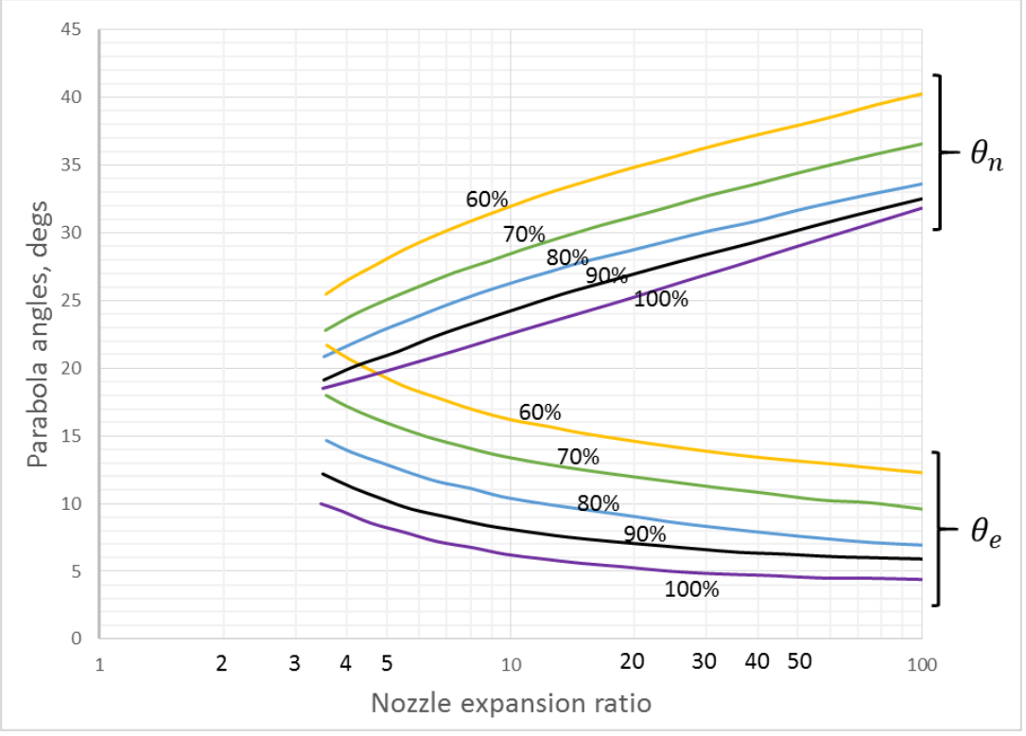
Yn70 | Ye60 | Yn60 | Ye90 | Yn90 | Ye100 | Yn100
23 | 22 | 25.25 | 12 | 19 | 10 | 18.2
24 | 21 | 26.5 | 11.25 | 20 | 9 | 19
25 | 19.5 | 28 | 10 | 21 | 8 | 20
26 | 18 | 29 | 9.5 | 22 | 7.5 | 20.5
27 | 17.75 | 30 | 9 | 22.6 | 7 | 21
27.5 | 17 | 31 | 8.9 | 23 | 6.8 | 21.5
28 | 16.5 | 31.5 | 8.1 | 24 | 6.5 | 22
29 | 16 | 32 | 8 | 24.1 | 6 | 22.5
31.1 | 14.25 | 35 | 7 | 27 | 5 | 25.25
33 | 14 | 36 | 6.3 | 28.2 | 4.9 | 27
33.8 | 13.25 | 37 | 6.1 | 29 | 4.8 | 28
34.2 | 13 | 38 | 6 | 30 | 4.5 | 29
36.2 | 12 | 40.2 | 5.9 | 32.2 | 4.4 | 32

Ye90A2 | Ye90B
0.475 | 20.888
Yn90A2 | Yn90B
0.4752 | 18.899
Ye100A2 | Ye100B
-0.816 | 12.65
Yn100A2 | Yn100B
0.0271 | 18.675
...

